Security Health Model
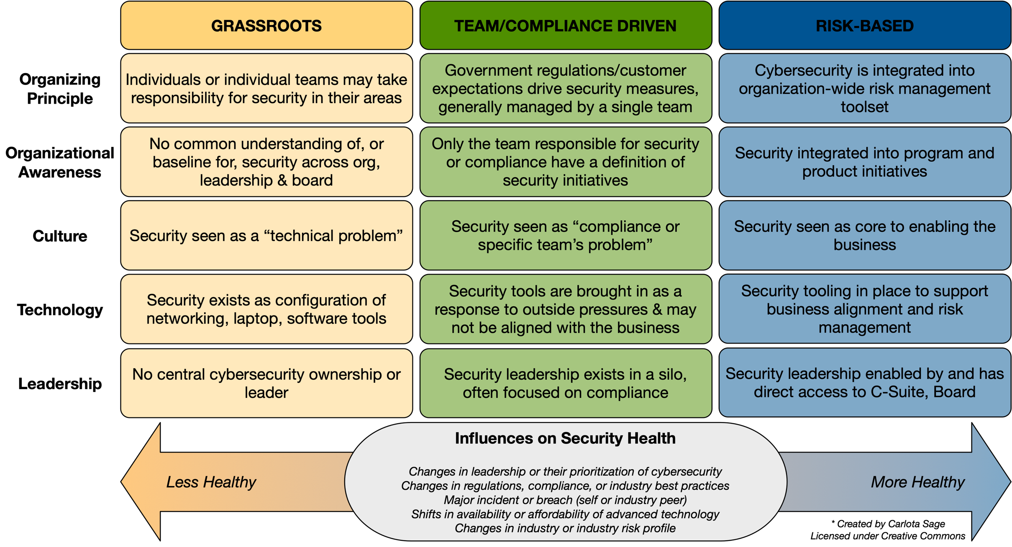

NOTE: Team/Compliance Driven is the target level for most SMB organizations. Risk-based requires heavy investment in tooling that most SMBs cannot afford; I only expect Enterprise and high value SMB to be targeting that level.

Health Assessment Questions
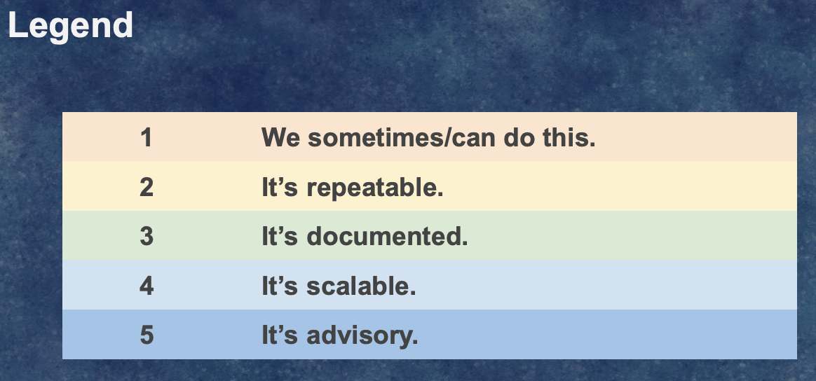
Smaller organizations or organizations just starting their security journey can use the following domains to establish metrixs: rate each domain on a 1-5 scale (see Legend). Larger organizations may want to break these domains into subdomains, or map other existing metrics/frameworks into these domains before presenting to non-securty leadership.
Cybersecurity Program Management
Risk Management and Business Enablement | The organization has a defined risk management strategy and the cybersecurity strategy aligns to it. The cybersecurity strategy supports the overall organizational mission and strategic initiatives.
Governance | The organization has policies tailored specifically to its environment and business operations. At a minimum, this includes Business Continuity, Disaster Recovery, Acceptable Use, Information Security, Incident Response and Vendor Management policies.
Privacy | The organization is aware of privacy laws governing it and the customers it serves. Personally identifiable information (PII) is defined and categorized, and employee responsibilities for handling PII are clearly communicated. There is a clear way for customers, email recipients and website visitors to request their information be removed from the organization's contact databases and other repositories.
Compliance & Audit | The organization is aware of the regulatory, industry-specific and voluntary compliance frameworks to which it is subject. There is a defined compliance program and roadmap. Work support compliance and audits is an acknowledged and integrated part of individual and team workload, minimizing unscheduled compliance or audit related work.
Vendor Management | The organization has defined a vendor management policy and program. Vendors and their products are regularly assessed for risk in line with organizational policy, and their potential impact to business continuity, disaster recovery, information security and incident response are known.
Awareness & Training | The organization has a regular cadence for security awareness and training. Higher risk targets are given additional training tailored to their profile.
Talent Care & Growth | The organization fosters a healthy culture, offering support for personal and professional development and to prevent employee burn-out.
Communication Strategy | The organization has a process for when and how to communicate incidents both interally and externally.
Cybersecurity Operations
Identity & Access Management | The organization has an established process for creating identities, providing access to resources, and reviewing access on a regular basis.
Asset Management | The organization has or can quickly generate an inventory physical and digital assets.
Third Party Code & Tool Management | The organization has an established process for evaluating third party code and APIs they do not own or control. An inventory of open source code, third party code, and APIs used in the IT environment, production environment or embedded in a software/firmware/hardware product is available or can be quickly generated.
Detection | The organization monitors its cloud and on-prem environments, maintaining access, activity and other logs for a defined period of time. In healthier environments, logs do not contain sensitive information and are resistent to tampering.
Threat Modeling and Intelligence | The organization understands its attack surface and actively manages it.
Emerging Threats & Vulnerability Mgmt | The organization regularly reviews operating systems, applications and cloud services for misconfigurations, updates, or known issues that may allow attackers access to these resources.
Incident Response | The organization has a process for escalating, resolving, and reporting on security issues. Designated resources are regularly trained and procedure guides/playbooks are regularly updated.

SHM with Notes
Select individual cells to get more insight
 | Grassroots | Team or Compliance-Driven | Risk-Based
Organizing Principle | Individuals or individual teams voluntarily take responsibility for security in their areas | Government regulations or customer expectations drive security measures | Security is an organization-wide risk management tool.
Organizational Awareness | No common understanding of or baseline for security across org, leadership & board | Only the teams responsible for security or compliance have a definition of security initiatives | Security integrated into program and product initiatives
Culture | Security seen as a “technical problem” | Security seen as “compliance problem” or "that team's problem" | Security seen as core to enabling the business
Technology | Security exists as configuration of networking, laptop, software tools | Security tools brought in as a response to outside pressures & may not be aligned with the business | Security tooling in place to support business alignment and risk management
Ownership/ Leadership | No central cybersecurity ownership or leader | Security leadership exists in a silo, often focused on compliance | Security leadership enabled by and has direct access to C-Suite, Board

LESS HEALTHY
Influences on Security Health
Changes in Leadership or Leadership Prioritization of Security
Changes in regulations, compliance, or industry best practices
Major incident or breach (self or industry peer)
Shifts in availability or affordability of advanced technology
Changes in industry or industry risk profile
MORE HEALTHY

NOTE: Team/Compliance Driven is the initial target level for most SMB organizations. Risk-based requires heavy investment in tooling that most SMBs cannot afford; I only expect Enterprise and high value SMB to be targeting that risk-based level.

Questions or feedback about this model? Ping @carlotasage or csage@pocket-ciso.com. - My heartfelt thanks to my all the security professionals who have given the feedback that has improved this model over time!

